HOME
Welcome to GWV-online!

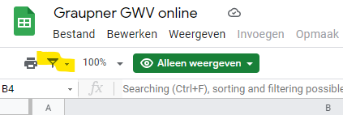
To find a specific work, workgroup, instrumentation, or anything else, click on the links or tabs below
Searching (Ctrl+F), sorting and filtering possible in all tabs.

INSTRUMENTAL WORKS
Keyboard Works (partita) - GWV 101-150
Chamber Music (sonata) - GWV 201-219
Concertos (concerto) - GWV 301-344
Overture (ouverture) - GWV 401-485
Symphonies (sinfonia) - GWV 501-612
Incerta - GWV 701-730 (included)
Anonyma - GWV 801-857

VOCAL WORKS
sacred cantatas (1100 ff), secular cantatas, occasional works (1050 ff), incidental & stage music (1000 ff)
explanation of GWV nrs. for the sacred cantatas: 11/liturgical occasion/year
Cantatas with Text Transcription available
Some examples of pivot tables

Other useful links
The online digital collection of the ULB Darmstadt: view and download scanned autographs of Graupner
Christoph Graupner Gesellschaft
Please always link to Graupner-digital

Survey of abbreviations used in these tables

CONTACT: Florian Heyerick - florian.heyerick [at] gmail.com
https://christoph-graupner-gesellschaft.de

Pivot tables
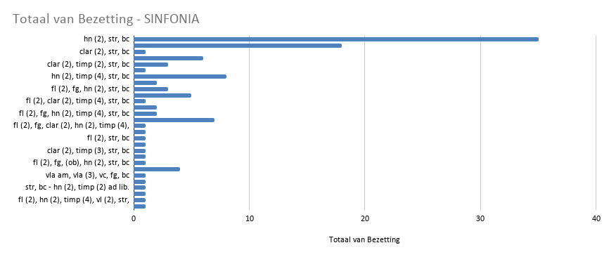
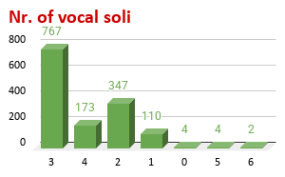

Advent | COUNTUNIQUE van 1712
 | 1
Advent | 39
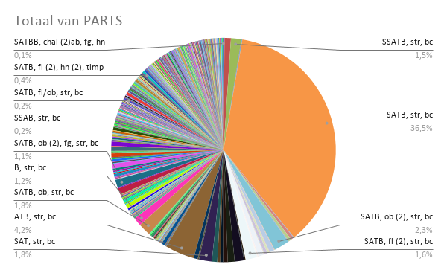
Epiphanias | 40
Fastenzeit | 39
Karwoche | 36
Marienfeste | 29
Ostern | 42
other | 41
Pfingsten | 36
Trinitatis | 44
Vorfastenzeit | 37
Weihnachtszeit | 37
Eindtotaal | 47

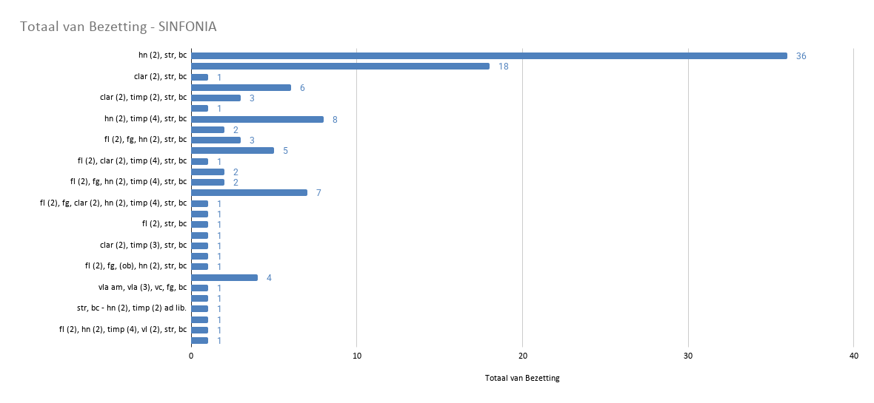
 |  | Günter Mühlberger <guenter.muehlberger@uibk.ac.at>

